Sheet1
Bug ID | Bug | Bug Description | Steps to Reproduce | Path | Screenshot | Environment | Severity | Priority | Assigned to | Reported By | Status
1.1 | Incorrect Images for the all the item cards | same Image displays to every Item in Inventory page. Need to add valid images. | 1. Go to Inventory. 2. Check all the cards details. | https://qa-challenge.codesubmit.io/inventory.html | 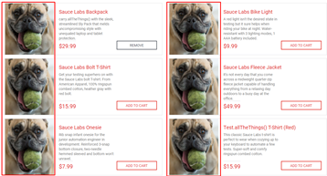 | PROD | HIGH | HIGH | DEVELOPER-X | Dilshanie | Active
1.2 | Item Image changes when user click on the card. | Same image should display in every screen under a particular item. Item image cannot be changed throuout. | 1. Go to Inventory. 2. Click on a item card. | https://qa-challenge.codesubmit.io/inventory-item.html?id=5 |  | PROD | HIGH | HIGH | DEVELOPER-X | Dilshanie | Active
1.3 | Item Headings are incorrect. | unnecessary texts displays under item " Tshirt". That needs to be removed. | 1. Go to Inventory. 2. Check cards details - Tshirt. | https://qa-challenge.codesubmit.io/inventory.html |  | PROD | LOW | HIGH | DEVELOPER-X | Dilshanie | Active
1.4 | Item descriptions are not in a proper format. | unnecessary texts displays under item decriptions. Allignment also needs to be fixed. | 1. Go to Inventory. 2. Check cards details - Tshirt. | https://qa-challenge.codesubmit.io/inventory.html | 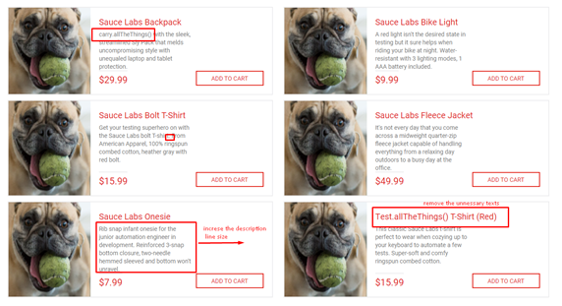 | PROD | LOW | HIGH | DEVELOPER-X | Dilshanie | Active
1.5 | Image change when click on " Add to cart" button | Item image changes when user click on "Add to cart" button. This should be fixed. Image cannot be changed in this function. | 1. Go to Inventory. 2. Click on "Add to cart" | https://qa-challenge.codesubmit.io/inventory.html |  | PROD | HIGH | HIGH | DEVELOPER-X | Dilshanie | Active
1.6 | Item sortings are not valid. | Name sort from Z to A is unnecasry. | 1. Go to Inventory. 2. Click on "Item Z to A" filteration. | https://qa-challenge.codesubmit.io/inventory.html |  | PROD | HIGH | HIGH | DEVELOPER-X | Dilshanie | Active
1.7 | The "Remove" button isn't working. | Once the user clicks on the "add to cart" and again click on the "Remove" button, it needs to clear the item from the cart, and the Button change to the "Add to cart" option again. Functionality is incorrect. | 1. Go to Inventory. 2. Go to a card 3. Click on "Add to cart" 4. Click on "remove" button | https://qa-challenge.codesubmit.io/inventory.html |  | PROD | HIGH | HIGH | DEVELOPER-X | Dilshanie | Active
1.8 | The "Add to cart" button is not working on the item card screen. | "Add to cart" Function is not working in item page. | 1. Go to Inventory. 2. Click on a card 3. Click on "Add to cart" | https://qa-challenge.codesubmit.io/inventory-item.html?id=2 | 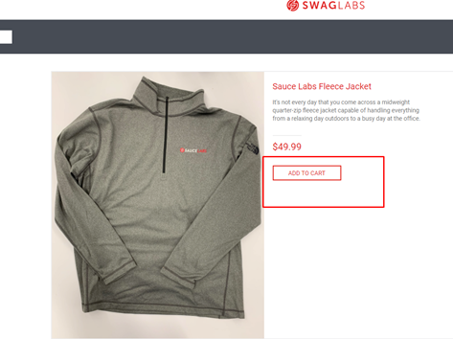 | PROD | HIGH | HIGH | DEVELOPER-X | Dilshanie | Active
1.9 | Sortings are not working sometimes. | Sort options are not working. | 1. Go to Inventory. 2. Click on sorting Options | https://qa-challenge.codesubmit.io/inventory.html |  | PROD | LOW | HIGH | DEVELOPER-X | Dilshanie | Active
1.10. | There is no option to add quantities from a particular item. | In a shopper app, the Qty option is a must. Here it is not given. Item qty option has to be added. |  |  |  | PROD | LOW | MEDIUM | DEVELOPER-X | Dilshanie | Active
 |  |  |  |  |  | PROD | LOW | MEDIUM | DEVELOPER-X | Dilshanie | Active

